Window image
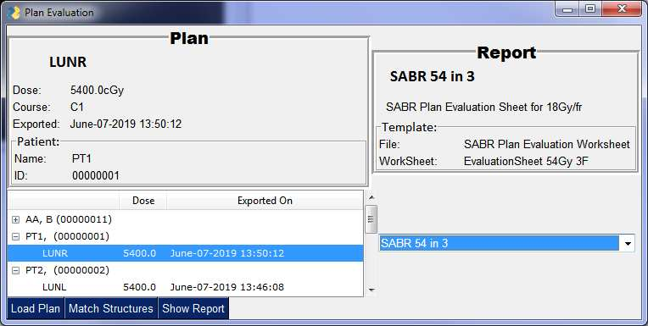
 |  |  |  |  |  |  |  |  |  |  |  |  |  |  |  |  | 0
 |  |  |  |  |  |  |  |  |  |  |  |  |  |  |  | Plan | 0
 |  |  |  |  |  |  |  |  |  |  |  |  |  |  |  |  | 0
 |  |  |  |  |  |  |  |  |  |  |  |  |  | LUNR |  |  | 0
 |  |  |  |  |  |  |  |  |  |  |  |  |  |  |  |  | 0
 |  |  |  |  |  |  |  |  |  |  |  | Dose: |  |  | 5400.0cGy |  | 0
 |  |  |  |  |  |  |  |  |  |  |  | Course: |  |  | C1 |  | 0
 |  |  |  |  |  |  |  |  |  |  |  | Exported: |  |  | June-07-2019 13:50:12 |  | 0
 |  |  |  |  |  |  |  |  |  |  |  |  | Patient: |  |  |  | 0
 |  |  |  |  |  |  |  |  |  |  |  |  |  |  |  |  | 0
 |  |  |  |  |  |  |  |  |  |  |  |  |  |  |  |  | 0
 |  |  |  |  |  |  |  |  |  |  |  | Name: |  |  | PT1 |  | 0
 |  |  |  |  |  |  |  |  |  |  |  | ID: |  |  | 0000001 |  | 0

 |  |  |  |  |  |  |  |  |  |  |  |  |  |  |  |  | 0

Element | text | key | size | font | pad | justification | visible | disabled | enable_events | readonly
Text | Name: |  | (8,1)
Text |  | pt_name_text | (43,1)
Text | ID: | id_text | (8,1)
Text |  |  | (43,1)
Text |  | plan_title | (12,1) | ('Calibri', 14, 'bold') | ((5, 0), (0, 10)) | center
Text | Dose: |  | (8,1)
Text |  | dose_text | (40,1)
Text | Course: |  | (8,1)
Text |  | course_text | (40,1)
Text | Exported: |  | (8,1)
Text |  | exported_text | (40,1)
Text | File: |  | (12,1)
Text |  | template_file | (25,1)
Text | WorkSheet: |  | (12,1)
Text |  | template_sheet | (25,1)
Text |  | report_title | (12,1) | ('Calibri', 14, 'bold') | ((5, 0), (0, 10)) | center | TRUE
Text |  | report_desc | (30,1) |  | (10, 3) |  | TRUE
Text | Report Item Matching
Combo | report_list | report_selector | (40, 5) |  |  |  |  |  | TRUE | TRUE
Button | Load Plan | load_plan |  |  |  |  |  | FALSE
Button | Match Structures | match_structures |  |  |  |  |  | FALSE
Button | Show Report | generate_report |  |  |  |  |  | FALSE
Button | Approve
Button | Cancel
InputText
Ok
Cancel

 | Container | Text | layout | key | size | font | title_location | element_justification | relief | border_width | visible
patient_header | Frame | Patient: | patient_desc | patient_header | (47,12) |  | TITLE_LOCATION_TOP_LEFT | left | RELIEF_GROOVE | 5 | TRUE
plan_header | Frame | Plan | header_layout | plan_header | (48,12) | ('Arial Black', 14, 'bold') | TITLE_LOCATION_TOP | center
template_header | Frame | Template: | template_layout | template_header |  | ('Calibri', 12) | TITLE_LOCATION_TOP_LEFT | left | RELIEF_GROOVE | 5
report_header | Frame | Report | header_layout | report_header | (30,20) | ('Arial Black', 14, 'bold') | TITLE_LOCATION_TOP | center

 |  | Text | layout | resizable | keep_on_top | element_justification | debugger_enabled | return_keyboard_events | finalize
window | Window | Plan Evaluation | layout | TRUE |  |  | TRUE |  | TRUE
window | Window | Enter a value for {}.'.format(reference_name) | keep_on_top | TRUE |  | left
window | Window | Match Items | layout | TRUE | TRUE |  |  | FALSE | TRUE

